Composite
Combined Scores

 | Urban Area

 |  | Coefficientsa
 |  | Model |  | Unstandardized Coefficients |  | Standardized Coefficients | t | Sig.
 |  |  |  | B | Std. Error | Beta
 |  | 1 | (Constant) | 1.279 | 0.002 |  | 637.905 | 0.000
 |  |  | urbscore Urban wealth score | 1.156 | 0.002 | 0.995 | 576.779 | 0.000
 |  | a. Dependent Variable: comscore Common wealth score

 |  |  | Combined Score= 1.279 + 1.156 * Urban Score

 | Rural

 |  | Coefficientsa
 |  | Model |  | Unstandardized Coefficients |  | Standardized Coefficients | t | Sig.
 |  |  |  | B | Std. Error | Beta
 |  | 1 | (Constant) | -0.331 | 0.000 |  | -790.259 | 0.000
 |  |  | rurscore Rural wealth score | 0.612 | 0.000 | 0.997 | 1459.503 | 0.000
 |  | a. Dependent Variable: comscore Common wealth score

 |  |  | Combined Score= -.331+ .612 * Rural Score

 | Combined Score

 |  | Statistics
 |  | combscor Combined national wealth score
 |  | N | Valid | 16021
 |  |  | Missing | 0
 |  | Mean |  | -0.1241910
 |  | Std. Error of Mean |  | 0.00757716
 |  | Median |  | -0.5204848
 |  | Mode |  | 2.06594a
 |  | Std. Deviation |  | 0.95907238
 |  | Skewness |  | 1.912
 |  | Std. Error of Skewness |  | 0.019
 |  | Kurtosis |  | 2.855
 |  | Std. Error of Kurtosis |  | 0.039
 |  | Minimum |  | -1.04556
 |  | Maximum |  | 3.62259
 |  | Percentiles | 20 | -0.7608554
 |  |  | 40 | -0.6208040
 |  |  | 60 | -0.3663178
 |  |  | 80 | 0.2431266
 |  | a. Multiple modes exist. The smallest value is shown

 | histrogram

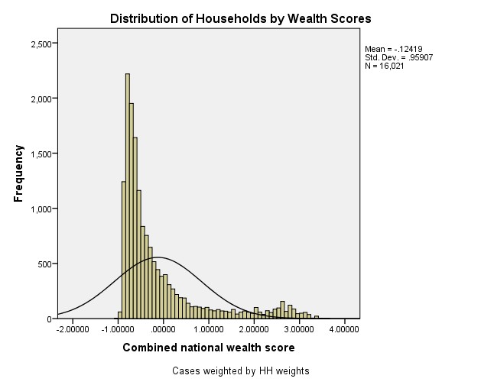

Table 2.6 Wealth Quintiles Percent distribution of the de jure population by wealth quintiles, according to residence and province, Papua New Guinea DHS 2016-18
Residence/province |  | Ncombsco Combined wealth index
 |  | Lowest | Second | Middle | Fourth | Highest | Total
QHTYPE Type of place of residence | Urban | 1.1 | 1.3 | 4.6 | 22.6 | 70.5 | 100.0 | 9162
 | Rural | 22.4 | 22.4 | 22.0 | 19.7 | 13.5 | 100.0 | 71207
QHPROVINCE Province of residence | Western Province | 22.8 | 18.7 | 21.2 | 23.0 | 14.3 | 100.0 | 1914
 | Gulf Province | 21.5 | 27.5 | 21.2 | 19.9 | 9.8 | 100.0 | 1453
 | Central Province | 5.6 | 4.4 | 16.3 | 40.8 | 32.9 | 100.0 | 3083
 | National Capital District | 0.0 | 0.0 | 0.0 | 4.7 | 95.3 | 100.0 | 2247
 | Milne Bay Province | 17.6 | 26.9 | 26.2 | 17.1 | 12.2 | 100.0 | 4124
 | Northern (Oro) Province | 17.6 | 24.6 | 28.0 | 13.8 | 16.0 | 100.0 | 2221
 | Southern Highlands Province | 41.0 | 27.1 | 16.9 | 8.4 | 6.7 | 100.0 | 5894
 | Enga Province | 30.6 | 27.0 | 18.5 | 12.8 | 11.1 | 100.0 | 2994
 | Western Highlands Province | 15.6 | 24.4 | 21.1 | 17.3 | 21.6 | 100.0 | 3808
 | Chimbu (Simbu) Province | 23.1 | 17.1 | 20.5 | 11.6 | 27.7 | 100.0 | 5324
 | Eastern Highlands Province | 18.7 | 27.8 | 19.8 | 16.7 | 17.0 | 100.0 | 6641
 | Morobe Province | 15.5 | 11.3 | 12.3 | 22.6 | 38.3 | 100.0 | 7851
 | Madang Province | 21.7 | 27.9 | 29.8 | 13.3 | 7.4 | 100.0 | 5577
 | East Sepik Province | 24.7 | 27.4 | 23.8 | 13.5 | 10.6 | 100.0 | 4785
 | West Sepik (Sandaun) Province | 32.5 | 23.8 | 19.5 | 11.4 | 12.8 | 100.0 | 3044
 | Manus Province | 0.4 | 5.9 | 21.3 | 43.9 | 28.5 | 100.0 | 742
 | New Ireland Province | 2.0 | 7.4 | 27.8 | 48.0 | 14.9 | 100.0 | 2268
 | East New Britain Province | 1.4 | 6.7 | 15.5 | 49.1 | 27.3 | 100.0 | 2875
 | West New Britain Province | 6.5 | 8.5 | 20.5 | 36.6 | 27.9 | 100.0 | 2802
 | Autonomous Region of Bougainville | 4.3 | 11.1 | 22.7 | 46.6 | 15.3 | 100.0 | 2939
 | Hela Province | 45.7 | 25.3 | 16.5 | 10.1 | 2.3 | 100.0 | 4699
 | Jiwaka Province | 16.3 | 25.5 | 25.8 | 16.2 | 16.2 | 100.0 | 3083
total Total |  | 20.0 | 20.0 | 20.0 | 20.0 | 20.0 | 100.0 | 80369

